1. Title Page
Instacart Basket Analysis

Project Name: Instacart Basket Analysis
Date: 12/15/2022
Analyst Name: Ken Szeto

Contents:
Population Flow
Consistency checks
Wrangling steps
Column derivations
Visualizations
Recommendations

Citation: “The Instacart Online Grocery Shopping Dataset 2017”, Accessed from https://www.instacart.com/datasets/grocery-shopping-2017 on 11/15/2022.
Note: Customer data was fabricated for the purposes of CareerFoundry's Data Analytics Course.

2. Population Flow
Title page

Population flow

Exclusion flag
Condition: max_order <5
Obervations to be removed: 1025482
Final total count of order_products_all: 29303281

Orders_products_combined
Orders_products_merged
Orders_products_all

Total: 30356421
Total: 30328763
Total: 30328763

1.) The grey boxes in the first row of the population flow represent the original data sets as they were when you downloaded them. In the Total fields you need to add the count of the rows when you imported the data set into Jupyter.
2.) The second row of boxes (coloured) represents the data sets after you manipulated them, e.g., removed missing values and duplicates. In the Total fields you need to add the count of the rows after conducting these operations. This offers a visual oveview of how the data flows throughout the data consistency checks.
3.) The third row, where also the arrows are coloured, represents the merges you performed between the datasets. In the Total fields you need to add the count of the rows in the merged datasets, so that you end up with the final dataset (in the red box). Keep in mind the final dataset should be without exclusions (based on the exclusion flag).

3. Consistency checks
 |  |  |  | Title page
Consistency checks

Dataset | Missing values | Missing values treatment | Duplicates
orders | 206209 | Excluded into subset | no duplicates found
products | 16 | Missing Values Removed | 5 duplicates, removed
orders_products_prior | 0 |  | no duplicates found
customers | 0 |  | no duplicates found

4. Wrangling steps
 |  |  |  | Title page
Wrangling steps

Columns dropped | Columns renamed | Columns' type changed | Comment/Reason
 | order_dow -> order_day_of_week |  | clarity
 |  | user_id int -> str | memory space
_merge |  |  | This column was created for a consistency check, and dropped after the check was complete.
first_name |  |  | Column included personal information, and was redundant with the user_id column.
surnam |  |  | Column included personal information, and was redundant with the user_id column.
date_joined |  |  | Column provided the same information as a loyalty flag that was already existing.

5. Column derivations
 |  |  |  |  | Title page

Column derivations and aggregations

Dataset | New column | Column/s it was derived from | Conditions
orders_products_merged | price_range | price | If price below $5, then low range product. If product is between $5.01 and $15 then mid-range product. If Price is above $15 then high-end product.
orders_products_merged | busiest_day | orders_day_of_week | If order_day of week value is 0, return busiest day. If value for order_day_of_week is 4 return least busy day, return least busy. Else, return regular day.
orders_products_merged | busiest_days | orders_day_of_week | If order_day of week value is 0 or 1, return busiest days. If value for order_day_of_week is 4 or 3 return least busy days, return least busy. Else, return regular days.
orders_products_merged | busiest_hours | order_hour_of_day | If value is <16 and >9 return most orders. If value is <= 6 or 23 return least orders. Else return average orders.
orders_products_merged | max_order | user_id, order number | maximum order number for each user_id
orders_products_merged | loyalty flag | max_order | >40 orders = Loyal Customer, >10 and <=40 = Regular Customer, >10 orders = New Customer.
orders_products_merged | spending_flag | average prices | <10 = low spender, >=10 = high spender
orders_products_merged | median_order_frequency | days_since_prior_order | Median of days_since_prior_order for each user_id
orders_products_all | region | STATE | Each US State independently assigned to Northeast, Midwest, South or West region
orders_products_all | activity flag | max_order | >=5 = normal activty customer, <5 = low activity customer
orders_products_all | age_group | Age | Users over 65 = Senior, Users between 35 and 65 are middle age, and Users younger than 35 are young adults.
orders_products_all | income_group | income | Divided into income groups consistent with the IRS 2023 income tax brackets
orders_products_all | family_size | n_dependants | Family with 3 or more dependents = large, familys with 2 dependents = medium. Families with 1 or less dependant = small
orders_products_all | cooking_status | department_id | Users who shopped in aisles 1,3,11,15,17,18,19 and 20 were flagged as not cooking since these aisles have ready made and non-food products
orders_products_all | vegetarian | department_id | Users who exclude meat and deli department are flagged vegetarian

Price Range Value Counts | Mid-range product | 20462144 | Age Group Value Counts | Middle Age 13743703
 | Low-range product | 9476774 |  | Young Adult 8560115
 | High-range product | 389845 |  | Senior 8024945

Busiest Day Value Counts | Regularly Busy | 20995145 | Income Group Value Counts | Lower Middle Income 17277696
 | Busiest Day | 5779087 |  | Upper Low Income 12789139
 | Least Busy | 3554531 |  | Middle Income 200754
 |  |  |  | Upper Middle Income 36461
Busiest Days Value Counts | Regularly Busy | 12090838 |  | High Income 24713
 | Busiest Days | 11082805
 | Least Busy Days | 7155120 | Family Size Value Counts | Small Family 15141142
 |  |  |  | Large Family 7615541
Busiest Hours Value Counts | Most Orders | 15096487 |  | Medium Family 7572080
 | Average Orders | 14026089
 | Least Orders | 1206187 | Vegetarian Value Counts | Vegetarian 28686053
 |  |  |  | Not Vegetarian 1642710
Loyalty Flag Value Counts | Regular Customer | 15081691
 | Loyal Customer | 10095381 | Cooking Status Value Counts | cooking 20968797
 | New Customer | 5151691 |  | not cooking 9359966

Spending Flag Value Counts | Low Spender | 29730505
 | High Spender | 598258

Frequency Tag Value Counts | Frequent customer | 20675290
 | Regular customer | 6594542
 | Non-frequent customer | 3058931

Region Value Counts | South | 10099817
 | West | 7765088
 | Midwest | 7107586
 | North East | 5356272

Activity Flag Value Counts | normal activity customer | 29303281
 | low activity customer | 1025482

6. Visualizations
 | Title page

Visualisations
In this tab you should include all the visualtions from Exercises 4.9 and 4.10, alongside the questions from the project brief that they answer. Include any commentary on the relationship between different variables.

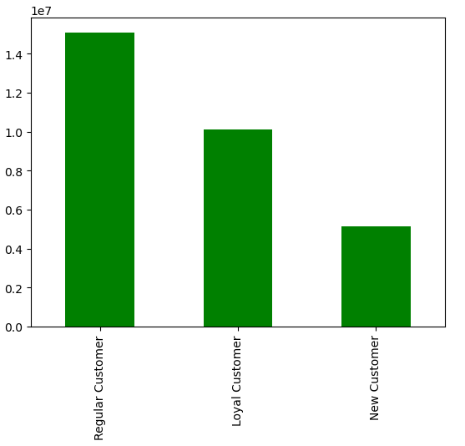
Q: How are orders distributed amongs the loyalty flag?
A: Most orders come from Regular customers, followed by loyal customers. Finally, new customers creat the least amount of orders.

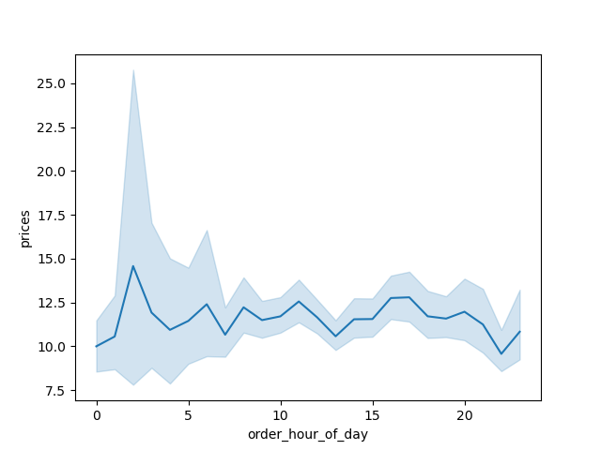

Q: Is there a connection between the time of day and the total expenditure?
A: The data reveals that there is a connection between time of day and total expenditure. Early morning hours, between 3 and 5 am have the highest prices.



Q: Is there a correlation between the time of day and the number of orders placed?
A: Yes, the time of day with the most orders is between 9 and 11 am.

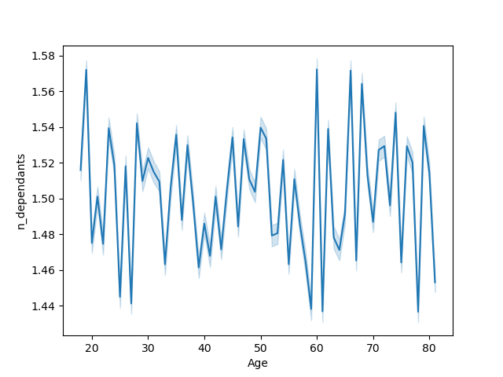
Q: Is there a connection between the age of the customer and the size of the family?
A: There is no clear connection between the age of the user and their number of dependants.

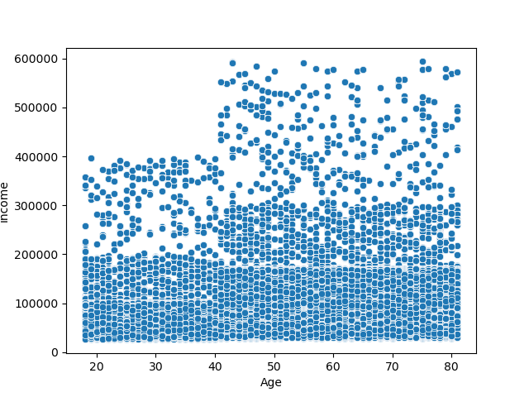

Q: Is there a connection between age and purchasing power?
A: Yes, low and middle income users are of all ages. However, all of the high income users are older than 40.

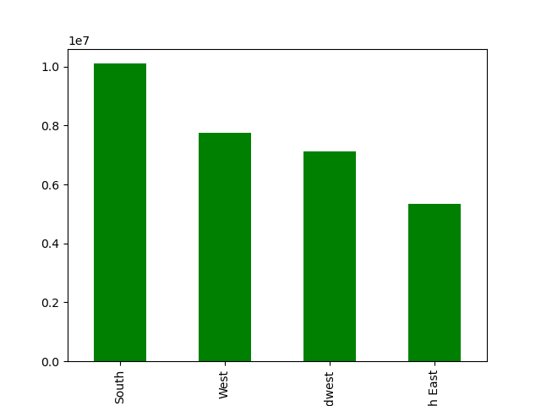

Q: Where are instacart users located?
A: Instacart users are located primarily in the southern united States.

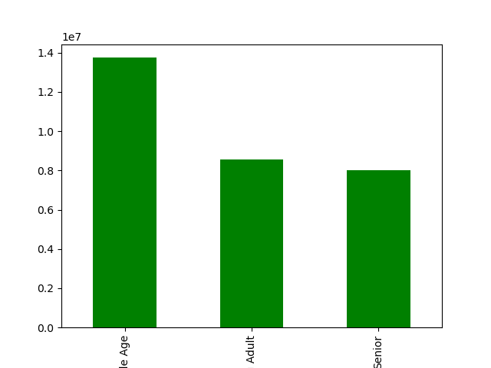

Q: What ages are instacart users?
A: Most instacart users are middle aged, between 35 and 65

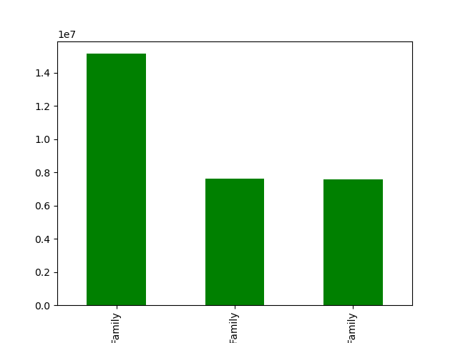
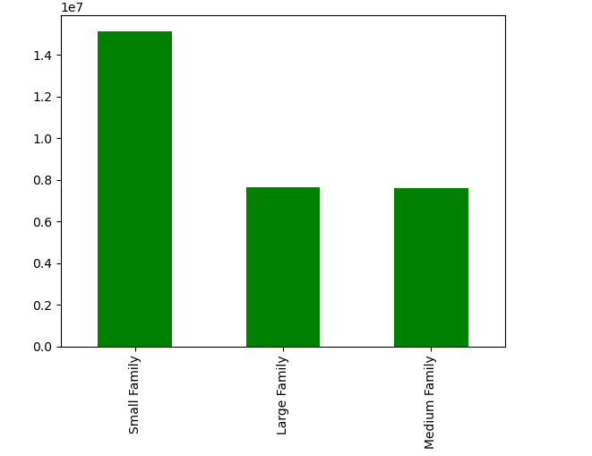
Q: What is the most common family size for instacart users?
A: Most Instacart users are in small families with 0-1 dependants.

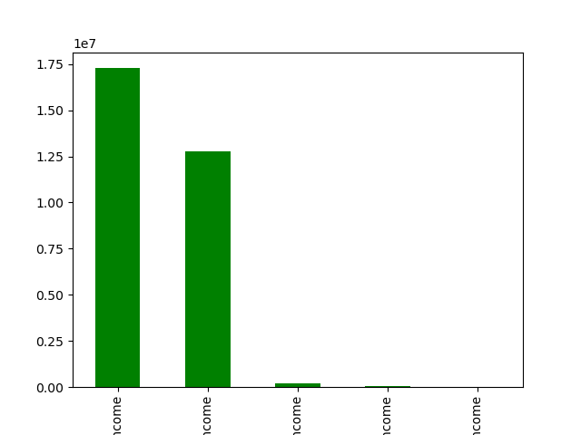
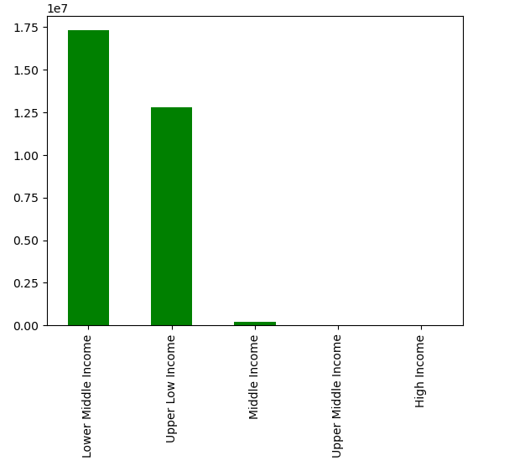
Q: What income bracket do the majority of Instacart users fall into?
A: Most Instacart users are Lower Middle Income, meaning in the $89,450 to $190,750 range.

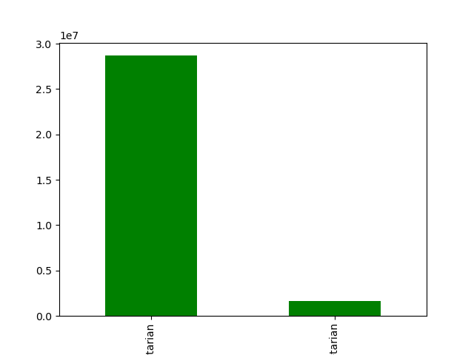
Q: How many instacart users are vegetarians?
A: A small amount of Instacart users are vegetarian compared to all users.

7. Recommendations
 |  |  |  | Title page

Recommendations

Question: |  |  |  |  | Answer:
1. What are the busiest days of the week and busiest hours of the day? | 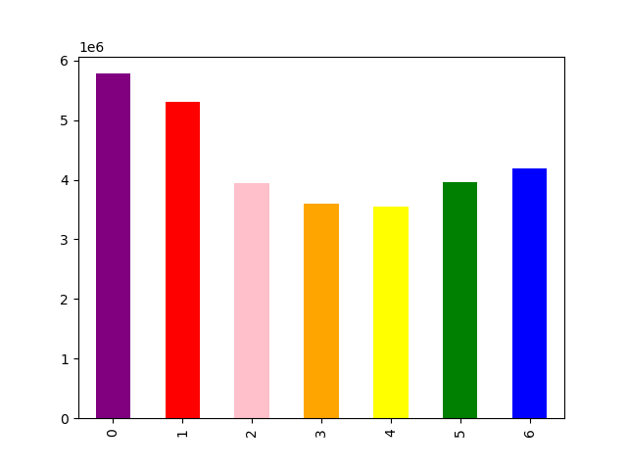 |  | 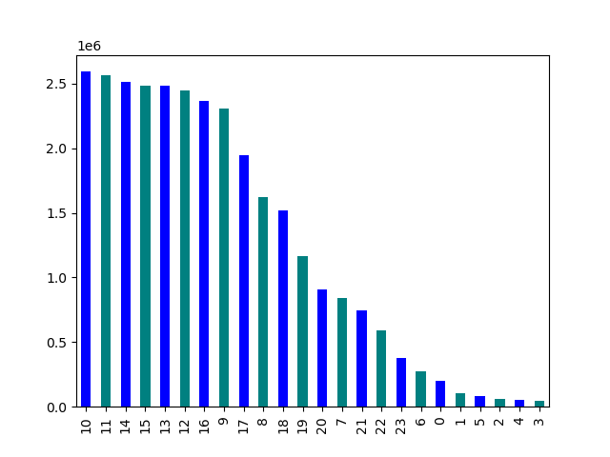 |  | The most popular days of the week are Saturday and Sunday. The most popular times of the day are between 10am and 12pm in the morning. My reccommendation for when to advertisements would be Wednesday evening inbetween 6 and 9pm. Wednesday is the day of the week with the least usage. The 6 to 9pm reccommendation is because this time slot has fewer orders than peak times, but enough usage to have some users. Ads run between 1 and 5 am would likely recieve too little views to be worth it.

2. What times of day have the highest expenditure? |  |  |  |  | The price of orders spikes inbetween 2 and 3 am. In order to take advantage of this the marketing team can push higher cost items through ads in the early morning.

3. Can we simplify the price ranges in order to help marketing and sales? |  |  |  |  | After filtering out outlier prices, most items are below $25. Therefore, price value tags can easily be created. Products less than $5 can be considered low range products. Products between $5 and $20 can be considered mid range. Any product above $20 can be considered highend.

Age vs Department
 | Middle Age | Senior | Young Adult
frozen | 940416 | 552106 | 584013
other | 15375 | 8822 | 9728
bakery | 497232 | 289387 | 310549
produce | 4032016 | 2358888 | 2504003
alcohol | 64058 | 35747 | 41177
international | 113357 | 65743 | 71193
beverages | 1146616 | 670387 | 703629
pets | 40623 | 24690 | 25780
dry goods pasta | 364755 | 212858 | 228032
bulk | 14630 | 8777 | 9405
personal care | 190695 | 109031 | 116535
meat seafood | 298206 | 177501 | 185853
pantry | 791478 | 462751 | 492890
breakfast | 297570 | 171346 | 187336
canned goods | 449295 | 262655 | 282342
dairy eggs | 2288558 | 1338192 | 1439948
household | 311009 | 183110 | 192485
babies | 186725 | 103593 | 110997
snacks | 1226299 | 712752 | 767590
deli | 444781 | 259134 | 277235
missing | 30009 | 17475 | 19395
Family Size vs Department
 | Large Family | Medium Family | Small Family
frozen | 521279 | 522191 | 1033065
other | 8281 | 8482 | 17162
bakery | 274227 | 273293 | 549648
produce | 2241404 | 2210962 | 4442541
alcohol | 36425 | 33646 | 70911
international | 62085 | 61916 | 126292
beverages | 628194 | 633479 | 1258959
pets | 22693 | 22131 | 46269
dry goods pasta | 204334 | 200364 | 400947
bulk | 8246 | 8309 | 16257
personal care | 104443 | 103797 | 208021
meat seafood | 168344 | 165062 | 328154
pantry | 437839 | 437665 | 871615
breakfast | 163794 | 164035 | 328423
canned goods | 250799 | 248104 | 495389
dairy eggs | 1269080 | 1261203 | 2536415
household | 172882 | 173285 | 340437
babies | 100575 | 102292 | 198448
snacks | 676763 | 680551 | 1349327
deli | 246947 | 244391 | 489812
missing | 16907 | 16922 | 33050
Income Group vs Department
 | High Income | Lower Middle Income | Middle Income | Upper Low Income | Upper Middle Income
frozen | 1760 | 1197293 | 16230 | 858598 | 2654
other | 32 | 19076 | 356 | 14376 | 85
bakery | 1038 | 636291 | 10390 | 447741 | 1708
produce | 5241 | 5192309 | 38548 | 3651851 | 6958
alcohol | 731 | 77087 | 4346 | 57723 | 1095
international | 232 | 146927 | 1540 | 101295 | 299
beverages | 2421 | 1362478 | 19427 | 1132920 | 3386
pets | 168 | 53164 | 1405 | 36001 | 355
dry goods pasta | 816 | 477475 | 5366 | 320997 | 991
bulk | 3 | 17810 | 21 | 14977 | 1
personal care | 402 | 234784 | 3110 | 177412 | 553
meat seafood | 537 | 408385 | 4928 | 246771 | 939
pantry | 1422 | 1017697 | 12589 | 713026 | 2385
breakfast | 536 | 358711 | 5221 | 290861 | 923
canned goods | 950 | 589776 | 7081 | 395150 | 1335
dairy eggs | 4301 | 2930830 | 35377 | 2090088 | 6102
household | 1232 | 380047 | 8645 | 294846 | 1834
babies | 300 | 240928 | 1636 | 158287 | 164
snacks | 2040 | 1336383 | 18266 | 1346464 | 3488
deli | 537 | 562130 | 5978 | 411349 | 1156
missing | 14 | 38115 | 294 | 28406 | 50
4. What types of products are the most popular among Instacart users? |  |  |  |  | Across income, age, and family size profiles the two most popular departments are produce and dairy/eggs. These departments are both perishible, and people are less likely to keep them in the house. Instead they will choose to order them on an as needed basis leading to their popularity across demographics.

Instacart Customer Loyalty
Regular Customers | 15081691
Loyal Customers | 10095381
New Customers | 5151691
5. How often do Instacart users return to Instacart? |  |  |  |  | Customers are likely to return to Instacart. 50% of users are regular users, meaning they have place inbetween 10 and 40 orders. Additionally 33% of customers are considered loyal customers, having placed 40 or more orders. Marketing/Sales can use this information to develop loyalty rewards to motivated the regular customers to order more and the new customers to become regulars.

Age Groups Across US Regions in Instacart Customers
 | Middle Age | Senior | Young Adult
Midwest | 3269239 | 1861410 | 1976937
North East | 2379900 | 1455684 | 1520688
South | 4555857 | 2653643 | 2890317
West | 3538707 | 2054208 | 2172173
Income Groups Across US Regions
 | High Income | Lower Middle Income | Middle Income | Upper Low Income | Upper Middle Income
Midwest | 9908 | 4073707 | 46425 | 2967364 | 10182
North East | 4019 | 3081053 | 32697 | 2233063 | 5440
South | 5557 | 5708742 | 70145 | 4304368 | 11005
West | 5229 | 4414194 | 51487 | 3284344 | 9834
6. Do Instacart user tendencies vary by region? |  |  |  |  | Instacart user profiles are very similar across regions, with similar age and income demographics in all four regions. However, there are significantly more Instacart users in the south than any of the other regions. Marketing campaigns should therefore be targeted in the Northeast where there are the least users. Meanwhile, loyalty program pilots could be run in the South to engage with the large user base in the region.

7. Is there a connection between age and family status in ordering habits? |  |  |  |  | There is no clear connection between age and family status among instacart users. There are stronger connections between income and age that can be looked at for marketing and sales.

